FlowChart
FlowChart for Student Admission Process
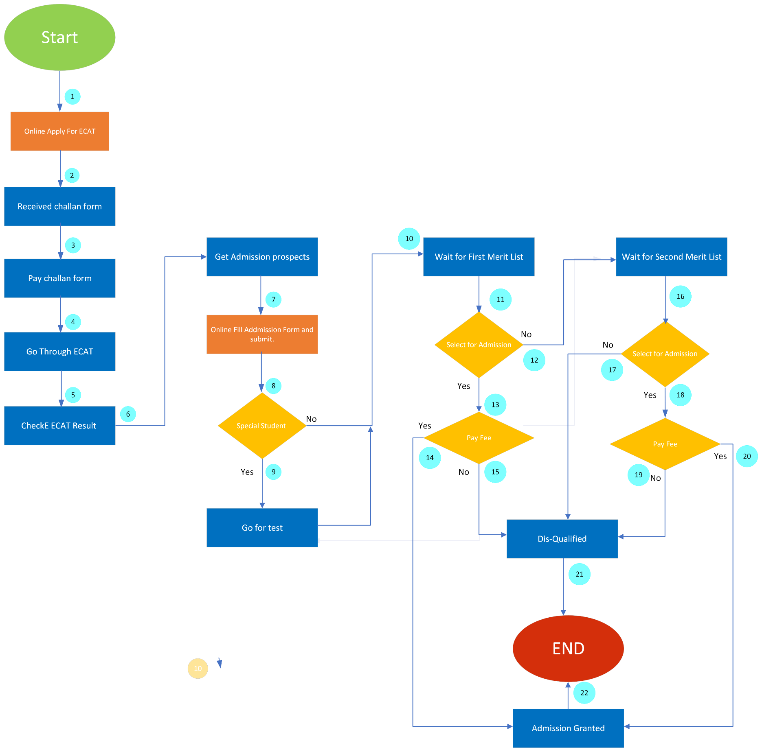
Problem: Draw a flowchart for Student Admission Process.
Solution: To keep the system simple, many assumptions have been made, such as student medical history, Searching method for Merit list, and fee payment methods, etc.

